Data Conversion
LABVIEW Data format
==============================
A data file collected from or converted by the Labview software is in a binary format and the name of the file usually has the extension ".dat". Each data value in the file is a float number (single precision real) simply represented by 4 bytes in big Endian. It is IMPORTANT to know the mode that your computer store a float number, Little or Big Endian (go to http://www.noveltheory.com/techpapers/endian.asp to see "what is Little and Big Endian").

The file contains only data values and does NOT has a header that often exists in a binary data file, giving the extra information such sampling frequency, the number of channels, the starting time and so on*.

The data points in the file are in the "time" order, e.g., if there are ten channels (ten signals recorded simultaneously), the first ten data points are for these ten channels at time 0, the second ten data points are for channels at next recording time, and so on.

*Note that some important information must be provided separately, including the channel number, the sampling frequency, the type of signal and unit for each channel, and the starting time

Calibration : The units of BP, BFV, O2, CO2 in original labview files are not standard. To get standard unit, values for each variable are needed to multiply by a factor: 1) 100 for BP; 2) 41 for all BFV; 3) 9.09 for O2; and 4) 7.74 for CO2

I. Convert a labview files to a windaq files
The Windaq file is for visualization of markers and data in order to obtain the segments to be analyzed. To find out the conversion procedure and related program, see SAFE lab User Manual “Windaq_file_Conversion.doc”
The image below shows a snap shot of a windaq file ‘S0030Sb.wdq’ (use the software ‘Windaq’ to open the file).
Calibration : The units of BP, BFV, O2, CO2 in original labview files are not standard. To get standard unit, values for each variable are needed to multiply by a factor: 1) 100 for BP; 2) 41 for all BFV; 3) 9.09 for O2; and 4) 7.74 for CO2.

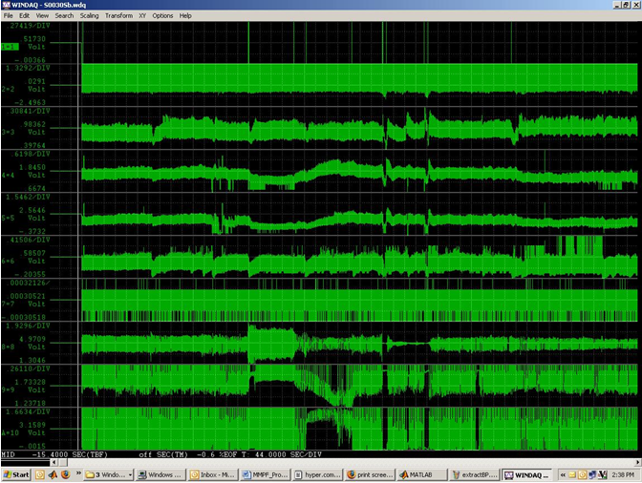

Determine the start time and the ending time of each test period for each subject (see the image above) (e.g., stable supine period, stable tilt period, stable sitting period, standing period, sit-to-stand transition period, and etc) and put timings in a table (see the image below).

Portapress Beat-Scope format
for file format see FMS , Finapress, medical Systems BV, Arnhem The Netherlands

